Stakeholders
PODER
Alto
Bajo
Bajo
Alto
INTERÉS
Mantener
Complacido
Monitor
(Mínimo Esfuerzo )
Manejo cercano
Mantener informado
BLOQUEO
CONTRIBUCIÓN
Alto
Alto
Bajo
Bajo
S1 | Identificar de diversas fuentes
S2 | Clasificar staleholders
S3 | Analizar
S4 | Modelar

 | S3 - ANALIZAR

 |  |  | Nombre | Contacto | Roles | Impacto | Poder | Interest | Influencia | Importancia | Contribución | Bloqueo | Estrategia | Conocimiento
 |  | STK# | Nombre del Stakeholder | Datos de contacto | Rol desempeñado | Cuánto lo impacta el proyecto? | Cuánto poder tiene el stakeholder | Cuál es el interés del stakholder en el sistema? | Cuánta influencia tiene sobre el proyecto? | Cuál es la importancia del stakeholder? | Cómo podría el stakeholder contribuir al proyecto? | Cómo podría el stakeholder bloquear al proyecto? | Estrategia para invlucrar al stakeholder | ¿Qué tipo de conocimiento puede proveer?
 |  | 1 | Alcalde | xxxx | Proveedor de informacion | Bajo | Muy alto
 |  | 2 | Productores
 | S1-IDENTIFICAR | 3 | Equipo DE Ecoomico |  |  | AMuy alto
 |  | 4
 | S2-CLASIFICAR | 5
 |  | 6
 |  | 7
 |  | 8
 |  | 9
 |  | 10
 |  | 11
 |  | 12
 |  |  |  |  |  |  |  |  |  |  |  |  |  | Objetivos / Metas
 |  |  |  |  | Tomador de decisiones | Mucho | Alta |  | Alta |  |  |  |  | Restricciones de Negocio
 |  |  |  |  | Proveeder de información | Regular | Media |  | Media |  |  |  |  | Restricciones Técnicas
 |  |  |  |  | Regulador | Bajo | Baja |  | Baja |  |  |  |  | Funcionalidad
 |  |  |  |  | Implementados | Ninguno | Ninguna |  | Ninguna |  |  |  |  | Diseño Interfaz (Look and feel)
 |  |  |  |  | Usuario final |  |  |  |  |  |  |  |  | Usabiliidad
 |  |  |  |  | Sorpote post-implementación |  |  |  |  |  |  |  |  | Rendimiento

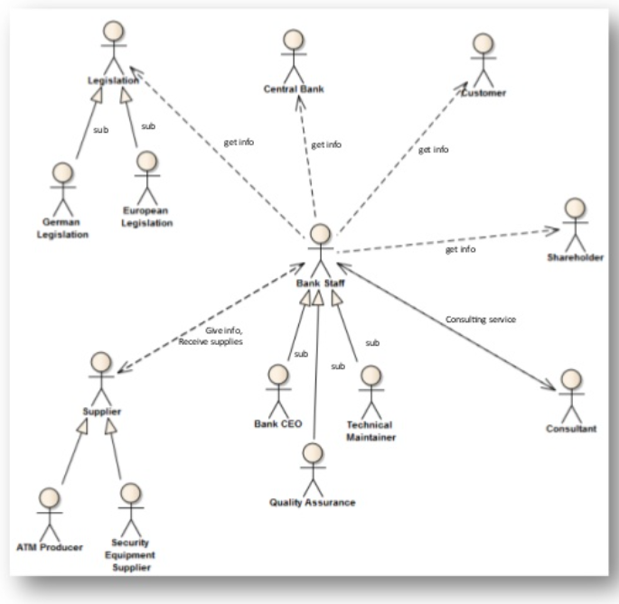
 |  |  | (EJEMPLO)
 | S4. MODELAR

Functional Requirements
Functional Requirements

Priority Breakdown
Req # | Priority | Requirements | Description | Input | Output | Processing | Sytem interfaces | STK #
1 | Very High | Requirement Title | Brief Description | Input Required | Output expected | Processing activities | Identify Systems
2 | Very High | Requirement Title | Brief Description
3 | High | Requirement Title | Brief Description
4 | Medium | Requirement Title | Brief Description
5 | Low | Requirement Title | Brief Description
6 | Very Low | Requirement Title | Brief Description
7 | Very High | Requirement Title | Brief Description
8 | Very High | Requirement Title | Brief Description
9 | Very High | Requirement Title | Brief Description
10 | Very High | Requirement Title | Brief Description
Priority Breakdown
11 | Very High | Requirement Title | Brief Description
12 | Very High | Requirement Title | Brief Description |  |  |  |  |  | Very High | 22
13 | Very High | Requirement Title | Brief Description |  |  |  |  |  | High | 1
14 | Very High | Requirement Title | Brief Description |  |  |  |  |  | Medium | 1
15 | Very High | Requirement Title | Brief Description |  |  |  |  |  | Low | 1
16 | Very High | Requirement Title | Brief Description |  |  |  |  |  | Very Low | 2
17 | Very High | Requirement Title | Brief Description
18 | Very High | Requirement Title | Brief Description
19 | Very High | Requirement Title | Brief Description
20 | Very High | Requirement Title | Brief Description
21 | Very High | Requirement Title | Brief Description
22 | Very High | Requirement Title | Brief Description
23 | Very High | Requirement Title | Brief Description
24 | Very High | Requirement Title | Brief Description
25 | Very High | Requirement Title | Brief Description
26 | Very High | Requirement Title | Brief Description
27 | Very Low | Requirement Title | Brief Description

Non-Functional Requirements
Non Functional Requirements

Priority Breakdown
Req # | Priority | Requirements | Description | STK#
1 | Very High | Security | Brief Description
2 | Very High
3 | High
4 | Medium
5 | Low
6 | Very Low | Platform independence | Brief Description
7 | Very High
8 | Very High
9 | Very High
10 | Very High | Reusability | Brief Description
Priority Breakdown
11 | Very High
12 | Very High |  |  |  | Very High | 22
13 | Very High |  |  |  | High | 1
14 | Very High | Maintanability | Brief Description |  | Medium | 1
15 | Very High | Easy deployment | Brief Description |  | Low | 1
16 | Very High |  |  |  | Very Low | 2
17 | Very High | Extensibility | Brief Description
18 | Very High
19 | Very High
20 | Very High
21 | Very High | Staffing | Brief Description
22 | Very High
23 | Very High
24 | Very High
25 | Very High | Scalability | Brief Description
26 | Very High
27 | Very Low | Performance | Brief Description

System Overview
USE CASE | C4
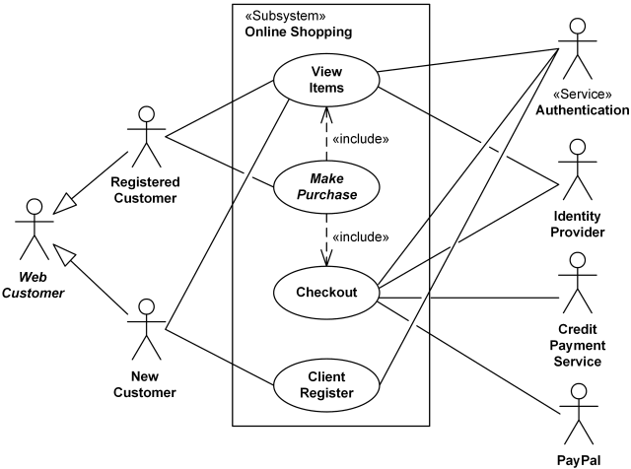

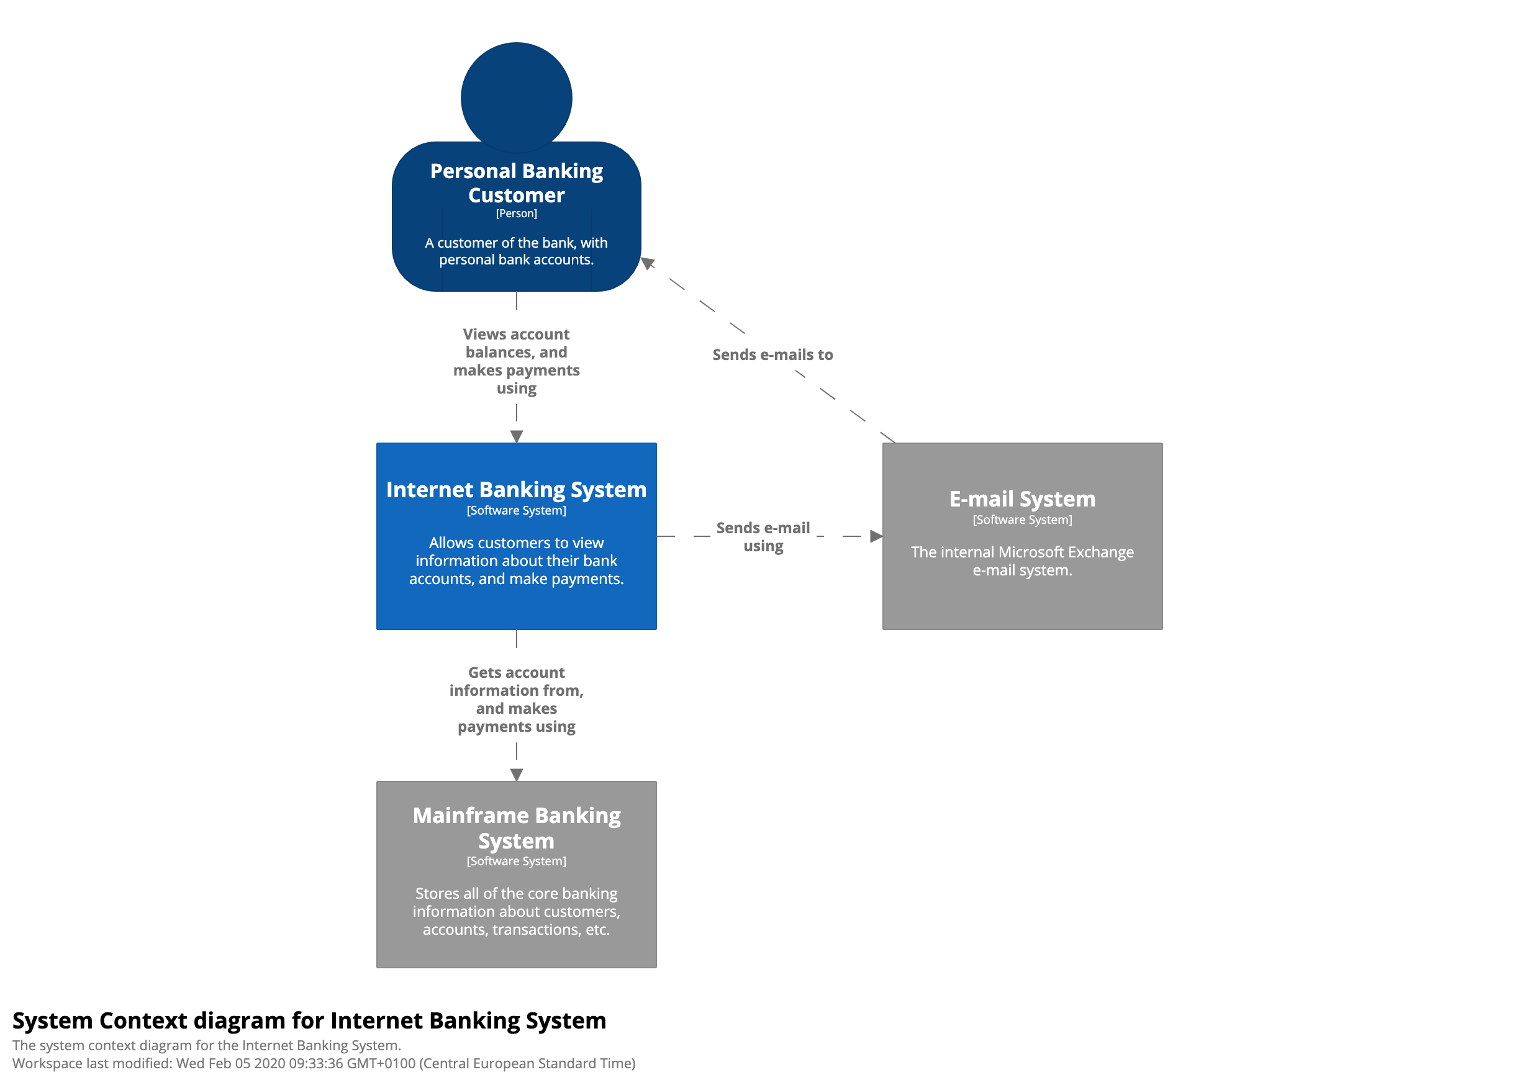

BRIEF DESCRIPTION

